Prismic resort
/california/boreal-mountain-resort | https://staging-snowpak-com.vercel.app/regions/colorado/resorts/aspen-mountain/overview
/california/donner-ski-ranch-resort
/california/homewood-mountain-resort
/california/soda-springs
/california/tahoe-donner
/colorado/arapahoe-basin
/colorado/aspen-highlands
/colorado/aspen-mountain
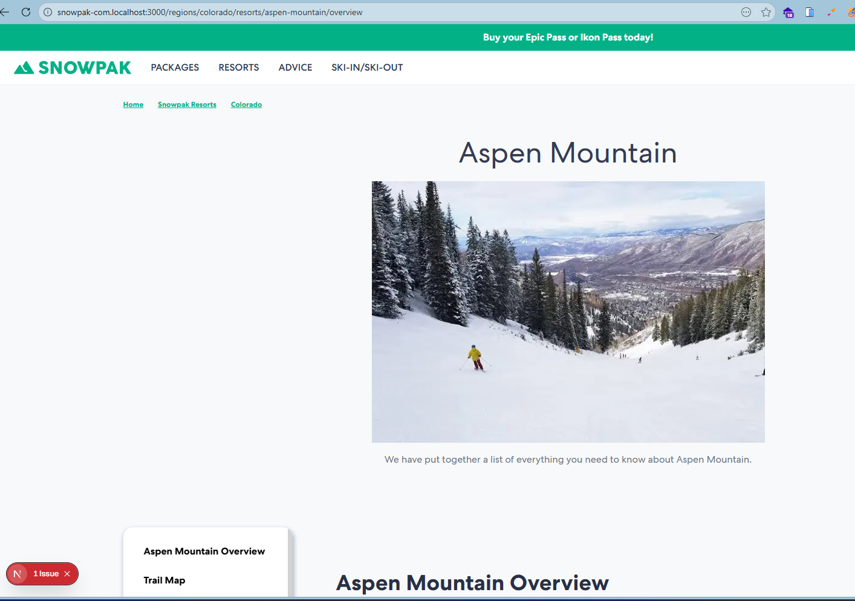
/colorado/beaver-creek
/colorado/breckenridge
/colorado/buttermilk
/colorado/copper-mountain
/colorado/crested-butte
/colorado/echo-mountain
/colorado/eldora
/colorado/granby-ranch
/colorado/hesperus-ski-area
/colorado/howelsen-hill-ski-area
/colorado/kendall-mountain-ski-area
/colorado/keystone
/colorado/loveland
/colorado/monarch-mountain
/colorado/powderhorn
/colorado/purgatory
/colorado/silverton-mountain-ski-area
/colorado/silverton-powdercats
/colorado/ski-cooper
/colorado/snowmass
/colorado/steamboat
/colorado/steamboat-powdercats
/colorado/sunlight-mountain-resort
/colorado/telluride
/colorado/vail
/colorado/winter-park-resort
/colorado/wolf-creek
/lake-tahoe/alpine-meadows
/lake-tahoe/diamond-peak-ski-resort
/lake-tahoe/granlibakken
/lake-tahoe/heavenly-mountain-resort
/lake-tahoe/northstar-california
/lake-tahoe/sierra-at-tahoe
/lake-tahoe/squaw-valley-alpine-meadows
/lake-tahoe/sugar-bowl-resort
/nevada/mount-rose-ski-tahoe
/utah/alta
/utah/beaver-mountain
/utah/brian-head-resort
/utah/brighton-resort
/utah/cherry-peak
/utah/deer-valley-resort
/utah/eagle-point
/utah/nordic-valley
/utah/park-city
/utah/powder-mountain
/utah/snowbasin
/utah/snowbird
/utah/solitude-mountain-resort
/utah/sundance

Legacy resorts
/alaska/alyeska-resort | https://staging-snowpak-com.vercel.app/regions/alaska/resorts/alyeska-resort/overview
/alberta/lake-louise
/alberta/mount-norquay
/alberta/sunshine-village
/alberta/marmot-basin
/alberta/nakiska
/alberta/banff
/alberta/castle-mountain
/andorra/pas-de-la-casa
/aomori/hakkoda
/aomori/aomori-spring
/argentina/la-hoya
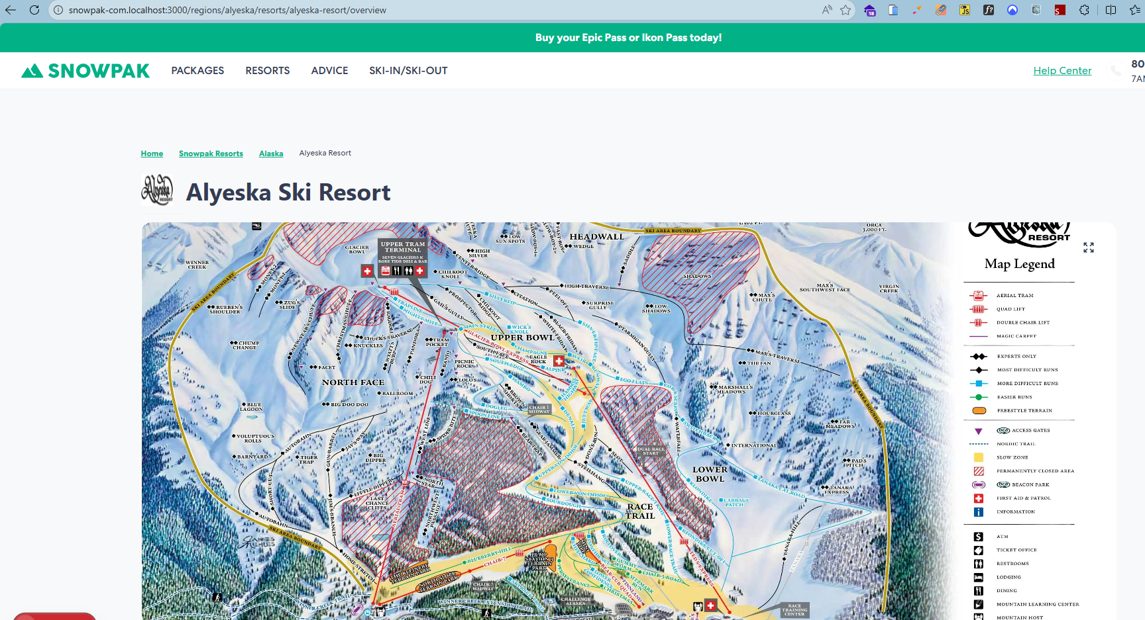
/argentina/cerro-chapelco
/argentina/cerro-castor
/argentina/catedral-alta-patagonia
/argentina/las-lenas
/arizona/mount-lemmon-ski-valley
/arizona/sunrise-park
/arizona/arizona-snowbowl
/australia/falls-creek
/australia/mount-buller
/australia/mount-hotham
/australia/perisher
/australia/thredbo
/austria/kitzbuhel
/austria/mayrhofen
/austria/saalbach-hinterglemm
/austria/st-anton
/austria/zell-am-see-schmittenhohe
/austria/innsbruck
/austria/st-christoph
/austria/ischgl
/austria/solden
/austria/bad-gastein
/british-columbia/panorama-mountain-resort
/british-columbia/red-mountain-resort
/british-columbia/big-white
/british-columbia/fernie-alpine
/british-columbia/kicking-horse
/british-columbia/revelstoke-mountain-resort
/british-columbia/silver-star
/british-columbia/sun-peaks
/british-columbia/whistler-blackcomb
/british-columbia/apex-mountain-resort
/british-columbia/grouse-mountain
/british-columbia/cypress-mountain
/british-columbia/mount-washington
/british-columbia/mount-seymour
/british-columbia/whitewater
/bulgaria/bansko
/bulgaria/borovets
/california/bear-mountain
/california/bear-valley
/california/kirkwood
/california/mammoth-mountain
/california/mountain-high
/california/china-peak
/california/snow-summit
/california/snow-valley
/california/mt-baldy
/california/mt-waterman
/california/june-mountain
/chile/el-colorado
/chile/farellones
/chile/la-parva
/chile/valle-nevado
/chile/ski-portillo
/chile/nevados-de-chillan
/christchurch/mount-hutt
/christchurch/craigieburn-valley
/christchurch/mount-olympus
/christchurch/broken-river
/france/alpe-d-huez
/france/chamonix-mont-blanc
/france/tignes
/france/val-disere
/france/la-plagne
/france/les-menuires
/france/megeve
/france/morzine
/france/serre-chevalier
/france/courchevel
/france/meribel
/france/val-thorens
/france/les-arcs
/france/avoriaz
/france/les-2-alpes
/france/les-carroz
/france/les-gets
/france/la-clusaz
/france/brides-les-bains
/hokkaido/kiroro
/hokkaido/moiwa
/hokkaido/niseko
/hokkaido/rusutsu
/hokkaido/sapporo-kokusai
/hokkaido/sapporo-teine
/hokkaido/furano
/hokkaido/tomamu
/hokkaido/asahidake-ropeway
/hokkaido/sahoro
/idaho/bogus-basin
/idaho/lookout-pass
/idaho/sun-valley
/idaho/tamarack-resort
/idaho/schweitzer-mountain-resort
/idaho/brundage-mountain
/idaho/silver-mountain
/illinois/chestnut-mountain-resort
/illinois/villa-olivia
/indiana/paoli-peaks
/italy/cervinia
/italy/courmayeur
/italy/sauze-doulx
/italy/sestriere
/italy/val-gardena
/italy/cortina-d-ampezzo
/italy/livigno
/italy/passo-tonale
/italy/madonna-di-campiglio
/italy/champoluc
/iwate/appi-kogen
/maine/sugarloaf
/maine/sunday-river
/maine/saddleback
/maine/camden-snow-bowl
/maine/shawnee-peak
/maryland/wisp
/massachusetts/jiminy-peak
/massachusetts/ski-butternut
/massachusetts/wachusett-mountain
/massachusetts/blue-hills
/michigan/boyne-highlands
/michigan/boyne-mountain-resort
/michigan/crystal-mountain
/michigan/mount-holly
/michigan/timber-ridge
/michigan/ski-brule
/michigan/nub-s-nob
/michigan/mount-bohemia
/michigan/mt-brighton
/minnesota/afton-alps
/missouri/snow-creek
/missouri/hidden-valley
/montana/big-sky-resort
/montana/bridger-bowl
/montana/whitefish-mountain-resort
/montana/montana-snowbowl
/montana/discovery
/montana/blacktail
/montana/red-lodge-mountain
/montana/great-divide-ski-area
/nagano/cortina
/nagano/goryu
/nagano/hakuba-47-goryu
/nagano/happo-one
/nagano/iwatake
/nagano/tsugaike
/nagano/nozawa-onsen
/nagano/shiga-kogen
/nagano/madarao-kogen
/nagano/hakuba
/nevada/lee-canyon
/new-hampshire/attitash
/new-hampshire/bretton-woods
/new-hampshire/cannon-mountain
/new-hampshire/loon-mountain
/new-hampshire/mount-sunapee
/new-hampshire/pats-peak
/new-hampshire/waterville-valley
/new-hampshire/wildcat-mountain-ski-resort
/new-hampshire/gunstock-mountain-resort
/new-hampshire/cranmore-mountain
/new-hampshire/crotched-mountain
/new-jersey/mountain-creek-resort
/new-mexico/angel-fire-resort
/new-mexico/cloudcroft
/new-mexico/enchanted-forest
/new-mexico/ski-apache
/new-mexico/taos-ski-valley
/new-mexico/ski-santa-fe
/new-york/belleayre
/new-york/gore-mountain
/new-york/greek-peak
/new-york/hunter-mountain
/new-york/peek-n-peak
/new-york/whiteface-mountain-resort
/new-york/windham-mountain
/new-york/holiday-valley
/new-york/bristol-mountain
/new-york/catamount
/new-zealand/whakapapa
/new-zealand/turoa
/new-zealand/wanaka
/niigata/kagura
/niigata/gala-yuzawa
/niigata/naeba
/niigata/myoko-suginohara
/niigata/seki-onsen
/niigata/ikenotaira-onsen
/niigata/akakura-kanko
/niigata/akakura-onsen
/north-carolina/appalachian-ski-mountain
/north-carolina/cataloochee
/north-carolina/sugar-mountain-resort
/north-carolina/beech-mountain
/north-carolina/wolf-ridge
/ohio/mad-river-mountain
/ohio/boston-mills
/ohio/brandywine
/ohio/alpine-valley-ohio
/ontario/blue-mountain-canada
/ontario/hockley-valley
/ontario/horseshoe-resort
/ontario/mount-st-louis
/ontario/glen-eden
/ontario/calabogie-peaks-resort
/ontario/searchmont
/ontario/mount-pakenham
/ontario/mont-ste-marie
/oregon/mount-ashland
/oregon/mount-bachelor
/oregon/mount-hood-meadows
/oregon/mount-hood-ski-bowl
/oregon/timberline-lodge
/oregon/willamette-pass
/pennsylvania/camelback-mountain-resort
/pennsylvania/elk-mountain-ski-resort
/pennsylvania/montage-mountain
/pennsylvania/seven-springs-mountain-resort
/pennsylvania/liberty
/pennsylvania/whitetail
/pennsylvania/hidden-valley-resort
/pennsylvania/boyce-park
/pennsylvania/blue-knob
/pennsylvania/bear-creek
/pennsylvania/blue-mountain-pennsylvania
/pennsylvania/roundtop-mountain-resort
/pennsylvania/jack-frost
/pennsylvania/big-boulder
/pennsylvania/laurel-mountain
/quebec/edelweiss-valley
/quebec/mont-sainte-anne
/quebec/mont-sutton
/quebec/mont-tremblant
/quebec/morin-heights
/quebec/ski-bromont
/quebec/stoneham
/quebec/mont-orford
/quebec/mont-blanc
/quebec/owl-s-head
/quebec/mont-cascades
/quebec/sommet-saint-sauveur
/quebec/le-massif-de-charlevoix
/quebec/ski-vorlage
/quebec/camp-fortune
/queenstown/coronet-peak
/queenstown/remarkables
/queenstown/queenstown
/scotland/lecht-2090
/scotland/cairngorm-mountain
/scotland/nevis-range
/scotland/glenshee-ski-centre
/scotland/glencoe-mountain
/switzerland/saas-fee
/switzerland/st-moritz
/switzerland/verbier
/switzerland/zermatt
/switzerland/flims-laax-falera
/switzerland/skiarena-andermatt-sedrun
/switzerland/grindelwald-wengen
/switzerland/engelberg
/switzerland/arosa-lenzerheide
/switzerland/parsenn
/tennessee/ober-gatlinburg-ski-resort
/vermont/jay-peak
/vermont/killington-resort
/vermont/mad-river-glen
/vermont/mount-snow
/vermont/okemo-mountain-resort
/vermont/smugglers-notch-resort
/vermont/stowe-mountain-resort
/vermont/stratton-mountain
/vermont/sugarbush
/virginia/massanutten-resort
/wanaka/cardrona
/wanaka/treble-cone
/washington/crystal-mountain-resort-wa
/washington/mission-ridge
/washington/mount-baker
/washington/white-pass
/washington/summit-at-snoqualmie
/washington/stevens-pass
/west-virginia/canaan-valley-resort
/west-virginia/snowshoe-mountain
/west-virginia/winterplace-ski-resort
/west-virginia/timberline-mountain
/wisconsin/cascade-mountain
/wisconsin/devils-head
/wisconsin/granite-peak
/wisconsin/whitecap
/wisconsin/alpine-valley
/wisconsin/christie-mountain
/wisconsin/wilmot
/wyoming/grand-targhee-resort
/wyoming/jackson-hole
/wyoming/snow-king-resort
/wyoming/hogadon-basin
/wyoming/pine-creek
/yamagata/yamagata-zao-onsen

Prismic region
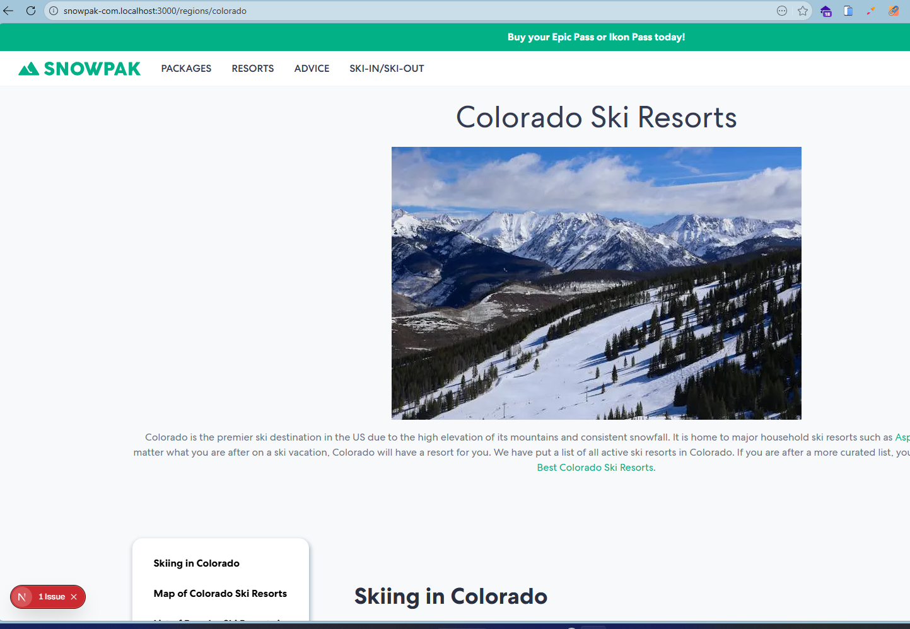
/wisconsin | https://staging-snowpak-com.vercel.app/regions/wisconsin
/vermont | https://staging-snowpak-com.vercel.app/regions/vermont
/europe | https://staging-snowpak-com.vercel.app/regions/europe
/california | https://staging-snowpak-com.vercel.app/regions/california
/british-columbia | https://staging-snowpak-com.vercel.app/regions/british-columbia
/japan | https://staging-snowpak-com.vercel.app/regions/japan
/france | https://staging-snowpak-com.vercel.app/regions/france
/new-zealand | https://staging-snowpak-com.vercel.app/regions/new-zealand
/canada | https://staging-snowpak-com.vercel.app/regions/canada
/colorado | https://staging-snowpak-com.vercel.app/regions/colorado
/nevada | https://staging-snowpak-com.vercel.app/regions/nevada
/lake-tahoe | https://staging-snowpak-com.vercel.app/regions/lake-tahoe
/utah | https://staging-snowpak-com.vercel.app/regions/utah

Legacy region
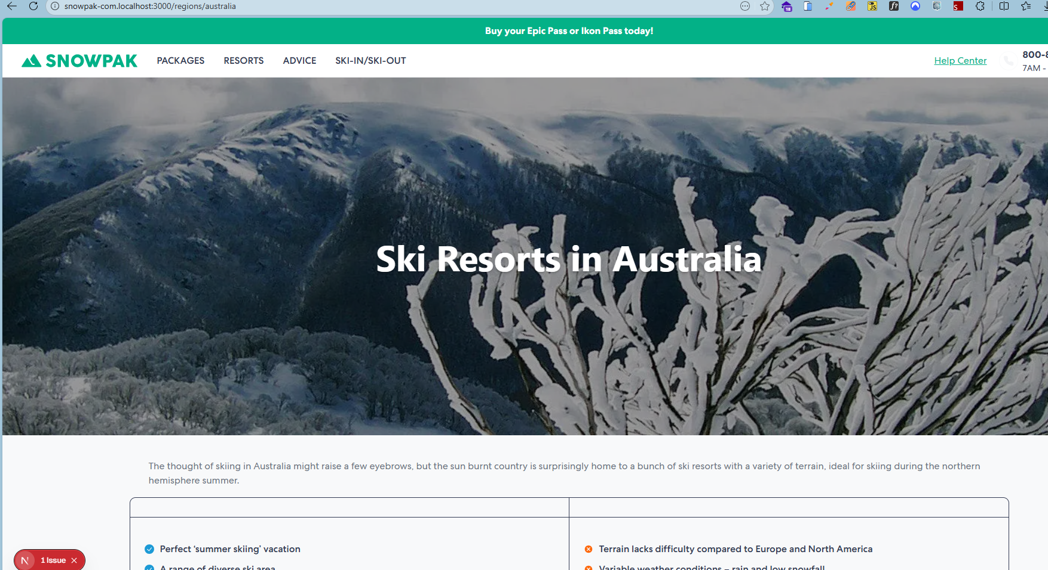
/australia | https://staging-snowpak-com.vercel.app/regions/australia
/chile | https://staging-snowpak-com.vercel.app/regions/chile
/idaho | https://staging-snowpak-com.vercel.app/regions/idaho
/italy | https://staging-snowpak-com.vercel.app/regions/italy
/maine | https://staging-snowpak-com.vercel.app/regions/maine
/montana | https://staging-snowpak-com.vercel.app/regions/montana
/new-hampshire | https://staging-snowpak-com.vercel.app/regions/new-hampshire
/switzerland | https://staging-snowpak-com.vercel.app/regions/switzerland
/usa | https://staging-snowpak-com.vercel.app/regions/usa

Author
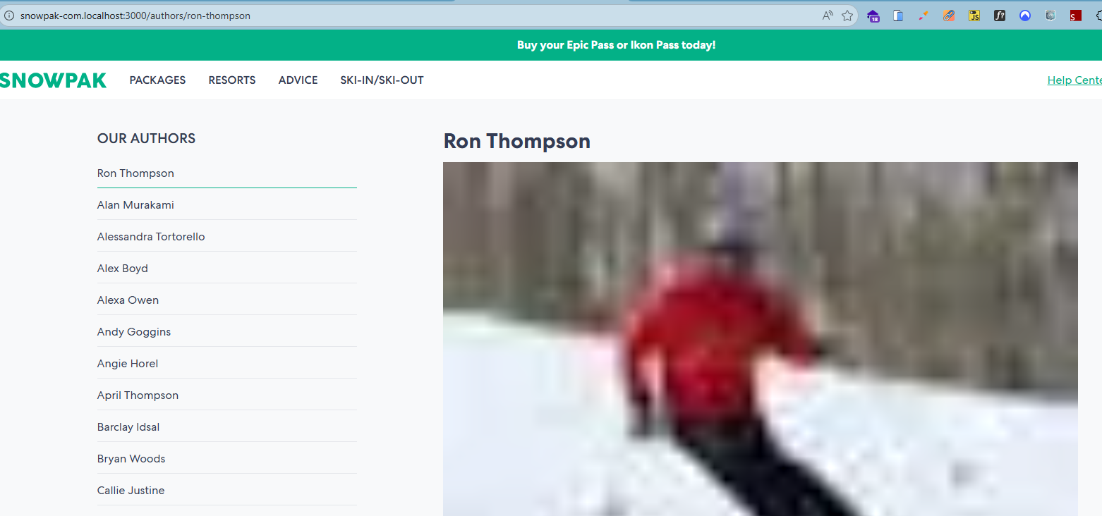
/authors | https://staging-snowpak-com.vercel.app/authors
/authors/jack-lee | https://staging-snowpak-com.vercel.app/authors/jack-lee
/authors/heather-burke | https://staging-snowpak-com.vercel.app/authors/heather-burke
/authors/ron-thompson | https://staging-snowpak-com.vercel.app/authors/ron-thompson
/authors/meimei-ma | https://staging-snowpak-com.vercel.app/authors/meimei-ma
/authors/april-thompson | https://staging-snowpak-com.vercel.app/authors/april-thompson
/authors/kylie-dingman | https://staging-snowpak-com.vercel.app/authors/kylie-dingman
/authors/karl-sander | https://staging-snowpak-com.vercel.app/authors/karl-sander
/authors/jill-adler | https://staging-snowpak-com.vercel.app/authors/jill-adler
/authors/john-fritzski-fritz | https://staging-snowpak-com.vercel.app/authors/john-fritzski-fritz
/authors/alan-murakami | https://staging-snowpak-com.vercel.app/authors/alan-murakami
/authors/marshall-wolf | https://staging-snowpak-com.vercel.app/authors/marshall-wolf
/authors/greg-burke | https://staging-snowpak-com.vercel.app/authors/greg-burke
/authors/bryan-woods | https://staging-snowpak-com.vercel.app/authors/bryan-woods
/authors/joretta-wong | https://staging-snowpak-com.vercel.app/authors/joretta-wong
/authors/connor-ryan | https://staging-snowpak-com.vercel.app/authors/connor-ryan
/authors/susan-brown | https://staging-snowpak-com.vercel.app/authors/susan-brown
/authors/vitaliy-landa | https://staging-snowpak-com.vercel.app/authors/vitaliy-landa
/authors/angie-horel | https://staging-snowpak-com.vercel.app/authors/angie-horel
/authors/tim-lambourn | https://staging-snowpak-com.vercel.app/authors/tim-lambourn
/authors/leo-kleine | https://staging-snowpak-com.vercel.app/authors/leo-kleine
/authors/jack-taylor | https://staging-snowpak-com.vercel.app/authors/jack-taylor

Opening Dates
/alaska/alyeska-resort/opening-dates | https://staging-snowpak-com.vercel.app/regions/alaska/resorts/alyeska-resort/opening-dates
/alberta/banff/opening-dates
/alberta/marmot-basin/opening-dates
/austria/kitzbuhel/opening-dates
/austria/zell-am-see-schmittenhohe/opening-dates
/austria/saalbach-hinterglemm/opening-dates
/austria/st-anton/opening-dates
/austria/innsbruck/opening-dates
/austria/bad-gastein/opening-dates
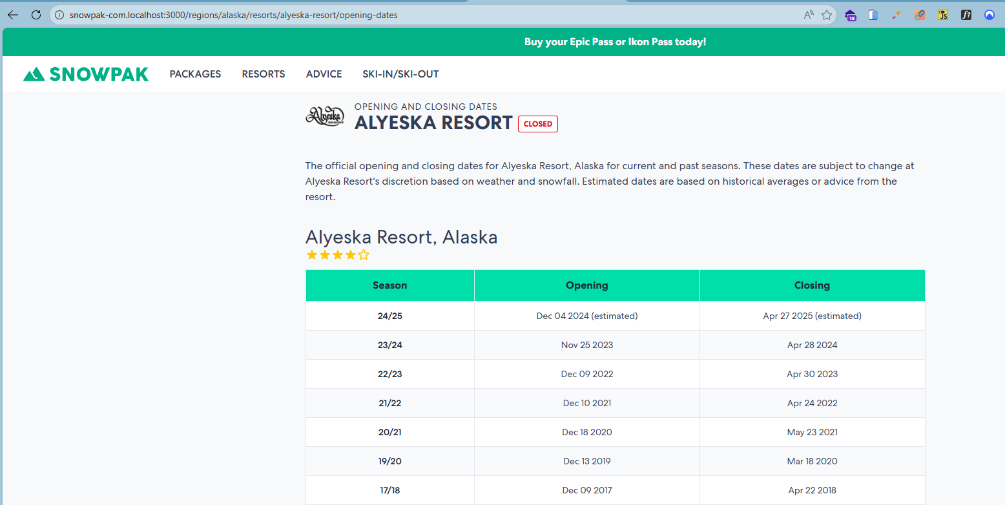
/austria/igls/opening-dates
/austria/solden/opening-dates
/austria/lech/opening-dates
/austria/zurs/opening-dates
/british-columbia/whistler-blackcomb/opening-dates
/british-columbia/kimberly-alpine-resort/opening-dates
/british-columbia/big-white/opening-dates
/british-columbia/red-mountain-resort/opening-dates
/british-columbia/panorama-mountain-resort/opening-dates
/british-columbia/whitewater/opening-dates
/british-columbia/silver-star/opening-dates
/british-columbia/sun-peaks/opening-dates
/british-columbia/revelstoke-mountain-resort/opening-dates
/british-columbia/fernie-alpine/opening-dates
/british-columbia/kicking-horse/opening-dates
/california/mammoth-mountain/opening-dates
/california/heavenly-mountain-resort/opening-dates
/california/kirkwood/opening-dates
/california/northstar-california/opening-dates
/california/squaw-valley-alpine-meadows/opening-dates
/colorado/breckenridge/opening-dates
/colorado/copper-mountain/opening-dates
/colorado/telluride/opening-dates
/colorado/beaver-creek/opening-dates
/colorado/crested-butte/opening-dates
/colorado/purgatory/opening-dates
/colorado/wolf-creek/opening-dates
/colorado/denver/opening-dates
/colorado/vail/opening-dates
/colorado/winter-park-resort/opening-dates
/colorado/keystone/opening-dates
/colorado/steamboat/opening-dates
/france/chamonix-mont-blanc/opening-dates
/france/alpe-d-huez/opening-dates
/france/avoriaz/opening-dates
/france/brides-les-bains/opening-dates
/france/les-menuires/opening-dates
/france/megeve/opening-dates
/idaho/sun-valley/opening-dates
/idaho/schweitzer-mountain-resort/opening-dates
/italy/cervinia/opening-dates
/italy/courmayeur/opening-dates
/italy/cortina-d-ampezzo/opening-dates
/italy/alta-badia/opening-dates
/italy/madonna-di-campiglio/opening-dates
/italy/champoluc/opening-dates
/italy/bormio/opening-dates
/italy/livigno/opening-dates
/italy/val-di-fassa/opening-dates
/japan/niseko/opening-dates
/japan/hakuba/opening-dates
/japan/sapporo/opening-dates
/japan/tokyo/opening-dates
/japan/kyoto/opening-dates
/japan/rusutsu/opening-dates
/japan/tomamu/opening-dates
/japan/shiga-kogen/opening-dates
/japan/kiroro/opening-dates
/maine/sugarloaf/opening-dates
/maine/sunday-river/opening-dates
/michigan/boyne-mountain-resort/opening-dates
/michigan/boyne-highlands/opening-dates
/montana/big-sky-resort/opening-dates
/montana/whitefish-mountain-resort/opening-dates
/new-hampshire/loon-mountain/opening-dates
/new-hampshire/mount-sunapee/opening-dates
/new-mexico/taos-ski-valley/opening-dates
/oregon/mount-bachelor/opening-dates
/oregon/mount-hood/opening-dates
/quebec/mont-tremblant/opening-dates
/quebec/mont-sainte-anne/opening-dates
/switzerland/grindelwald/opening-dates
/switzerland/zermatt/opening-dates
/switzerland/st-moritz/opening-dates
/switzerland/verbier/opening-dates
/switzerland/skiarena-andermatt-sedrun/opening-dates
/switzerland/interlaken/opening-dates
/switzerland/engelberg/opening-dates
/switzerland/arosa-lenzerheide/opening-dates
/switzerland/gstaad/opening-dates
/switzerland/geneva/opening-dates
/switzerland/zurich/opening-dates
/switzerland/davos/opening-dates
/switzerland/wengen/opening-dates
/switzerland/crans-montana/opening-dates
/switzerland/laax/opening-dates
/switzerland/saas-fee/opening-dates
/utah/salt-lake-city/opening-dates
/vermont/killington-resort/opening-dates
/vermont/jay-peak/opening-dates
/vermont/stratton-mountain/opening-dates
/vermont/stowe-mountain-resort/opening-dates
/vermont/okemo-mountain-resort/opening-dates
/vermont/sugarbush/opening-dates
/vermont/mount-snow/opening-dates
/west-virginia/snowshoe-mountain/opening-dates
/wyoming/jackson-hole/opening-dates
/wyoming/grand-targhee-resort/opening-dates
/canada/whistler-blackcomb/opening-dates
/canada/mont-tremblant/opening-dates
/canada/banff/opening-dates
/canada/fernie-alpine/opening-dates
/canada/kicking-horse/opening-dates
/usa/breckenridge/opening-dates
/usa/heavenly-mountain-resort/opening-dates
/usa/jackson-hole/opening-dates
/usa/mammoth-mountain/opening-dates
/usa/killington-resort/opening-dates
/usa/vail/opening-dates
/usa/stowe-mountain-resort/opening-dates
/usa/winter-park-resort/opening-dates
/usa/keystone/opening-dates
/usa/steamboat/opening-dates
/europe/gstaad/opening-dates
/europe/arosa-lenzerheide/opening-dates
/europe/les-2-alpes/opening-dates
/europe/innsbruck/opening-dates
/europe/cortina-d-ampezzo/opening-dates
/europe/livigno/opening-dates
/europe/madonna-di-campiglio/opening-dates
/europe/champoluc/opening-dates
/europe/solden/opening-dates
/europe/bad-gastein/opening-dates
/europe/crans-montana/opening-dates
/europe/alta-badia/opening-dates
/europe/engelberg/opening-dates
/europe/bormio/opening-dates
/europe/lech/opening-dates
/europe/val-di-fassa/opening-dates
/europe/zurs/opening-dates
/europe/grandvalira-resorts/opening-dates
/europe/davos/opening-dates
/europe/interlaken/opening-dates
/europe/igls/opening-dates
/europe/wengen/opening-dates
/europe/geneva/opening-dates
/europe/zurich/opening-dates
/europe/saalbach-hinterglemm/opening-dates
/europe/st-anton/opening-dates
/europe/zell-am-see-schmittenhohe/opening-dates
/europe/chamonix-mont-blanc/opening-dates
/europe/les-menuires/opening-dates
/europe/megeve/opening-dates
/europe/kitzbuhel/opening-dates
/europe/cervinia/opening-dates
/europe/courmayeur/opening-dates
/europe/sauze-doulx/opening-dates
/europe/st-moritz/opening-dates
/europe/verbier/opening-dates
/europe/zermatt/opening-dates
/europe/avoriaz/opening-dates
/europe/val-gardena/opening-dates
/europe/laax/opening-dates
/europe/skiarena-andermatt-sedrun/opening-dates
/europe/grindelwald/opening-dates
/andorra/grandvalira-resorts/opening-dates
/lake-tahoe/heavenly-mountain-resort/opening-dates
/lake-tahoe/northstar-california/opening-dates
/lake-tahoe/squaw-valley-alpine-meadows/opening-dates
/hokkaido/niseko/opening-dates
/hokkaido/sapporo/opening-dates
/hokkaido/rusutsu/opening-dates
/hokkaido/furano/opening-dates
/hokkaido/tomamu/opening-dates
/hokkaido/kiroro/opening-dates
/nagano/hakuba/opening-dates
/nagano/tokyo/opening-dates
/nagano/nozawa-onsen/opening-dates
/nagano/shiga-kogen/opening-dates
/banff-lake-louise/banff/opening-dates
/epic-pass-resorts/les-menuires/opening-dates
/epic-pass-resorts/crans-montana/opening-dates
/epic-pass-resorts/solden/opening-dates
/epic-pass-resorts/madonna-di-campiglio/opening-dates
/epic-pass-resorts/brides-les-bains/opening-dates
/epic-pass-resorts/hakuba/opening-dates
/epic-pass-resorts/skiarena-andermatt-sedrun/opening-dates
/epic-pass-resorts/mont-sainte-anne/opening-dates
/epic-pass-resorts/saalbach-hinterglemm/opening-dates
/epic-pass-resorts/telluride/opening-dates
/epic-pass-resorts/st-anton/opening-dates
/epic-pass-resorts/crested-butte/opening-dates
/epic-pass-resorts/breckenridge/opening-dates
/epic-pass-resorts/zell-am-see-schmittenhohe/opening-dates
/epic-pass-resorts/beaver-creek/opening-dates
/epic-pass-resorts/whistler-blackcomb/opening-dates
/epic-pass-resorts/heavenly-mountain-resort/opening-dates
/epic-pass-resorts/vail/opening-dates
/epic-pass-resorts/kirkwood/opening-dates
/epic-pass-resorts/stowe-mountain-resort/opening-dates
/epic-pass-resorts/northstar-california/opening-dates
/epic-pass-resorts/okemo-mountain-resort/opening-dates
/epic-pass-resorts/fernie-alpine/opening-dates
/epic-pass-resorts/mount-snow/opening-dates
/epic-pass-resorts/kicking-horse/opening-dates
/epic-pass-resorts/keystone/opening-dates
/summit-county/copper-mountain/opening-dates
/summit-county/breckenridge/opening-dates
/summit-county/arapahoe-basin/opening-dates
/summit-county/summit-county/opening-dates
/summit-county/keystone/opening-dates
/vail-valley/beaver-creek/opening-dates
/vail-valley/vail/opening-dates
/ikon-pass-resorts/stratton-mountain/opening-dates
/ikon-pass-resorts/loon-mountain/opening-dates
/ikon-pass-resorts/alyeska-resort/opening-dates
/ikon-pass-resorts/blue-mountain-canada/opening-dates
/ikon-pass-resorts/mount-bachelor/opening-dates
/ikon-pass-resorts/mont-tremblant/opening-dates
/ikon-pass-resorts/st-moritz/opening-dates
/ikon-pass-resorts/zermatt/opening-dates
/ikon-pass-resorts/solitude-mountain-resort/opening-dates
/ikon-pass-resorts/killington-resort/opening-dates
/ikon-pass-resorts/taos-ski-valley/opening-dates
/ikon-pass-resorts/snowshoe-mountain/opening-dates
/ikon-pass-resorts/jackson-hole/opening-dates
/ikon-pass-resorts/val-gardena/opening-dates
/ikon-pass-resorts/banff/opening-dates
/ikon-pass-resorts/ischgl/opening-dates
/ikon-pass-resorts/cortina-d-ampezzo/opening-dates
/ikon-pass-resorts/alta-badia/opening-dates
/ikon-pass-resorts/val-di-fassa/opening-dates
/ikon-pass-resorts/grandvalira-resorts/opening-dates
/ikon-pass-resorts/copper-mountain/opening-dates
/ikon-pass-resorts/kitzbuhel/opening-dates
/ikon-pass-resorts/saalbach-hinterglemm/opening-dates
/ikon-pass-resorts/red-mountain-resort/opening-dates
/ikon-pass-resorts/mammoth-mountain/opening-dates
/ikon-pass-resorts/arapahoe-basin/opening-dates
/ikon-pass-resorts/big-sky-resort/opening-dates
/ikon-pass-resorts/chamonix-mont-blanc/opening-dates
/ikon-pass-resorts/sun-valley/opening-dates
/ikon-pass-resorts/niseko/opening-dates
/ikon-pass-resorts/sugarloaf/opening-dates
/ikon-pass-resorts/sunday-river/opening-dates
/ikon-pass-resorts/squaw-valley-alpine-meadows/opening-dates
/ikon-pass-resorts/revelstoke-mountain-resort/opening-dates
/ikon-pass-resorts/sugarbush/opening-dates
/ikon-pass-resorts/winter-park-resort/opening-dates
/ikon-pass-resorts/steamboat/opening-dates
/les-3-vallees/brides-les-bains/opening-dates
/les-3-vallees/les-menuires/opening-dates
/dolomiti-super-ski-resorts/val-gardena/opening-dates
/dolomiti-super-ski-resorts/alta-badia/opening-dates
/dolomiti-super-ski-resorts/three-peaks/opening-dates
/dolomiti-super-ski-resorts/cortina-d-ampezzo/opening-dates
/dolomiti-super-ski-resorts/val-di-fassa/opening-dates
/mountian-collective-resorts/big-sky-resort/opening-dates
/mountian-collective-resorts/grand-targhee-resort/opening-dates
/mountian-collective-resorts/jackson-hole/opening-dates
/mountian-collective-resorts/sugarloaf/opening-dates
/mountian-collective-resorts/sun-valley/opening-dates
/mountian-collective-resorts/taos-ski-valley/opening-dates
/mountian-collective-resorts/panorama-mountain-resort/opening-dates
/mountian-collective-resorts/niseko/opening-dates
/mountian-collective-resorts/chamonix-mont-blanc/opening-dates
/mountian-collective-resorts/megeve/opening-dates
/mountian-collective-resorts/sun-peaks/opening-dates
/mountian-collective-resorts/revelstoke-mountain-resort/opening-dates
/mountian-collective-resorts/marmot-basin/opening-dates
/arlberg/lech/opening-dates
/arlberg/zurs/opening-dates
/arlberg/st-anton/opening-dates
/powder-highway/whitewater/opening-dates
/powder-highway/panorama-mountain-resort/opening-dates
/powder-highway/kimberly-alpine-resort/opening-dates
/powder-highway/red-mountain-resort/opening-dates
/powder-highway/revelstoke-mountain-resort/opening-dates
/powder-highway/fernie-alpine/opening-dates
/powder-highway/kicking-horse/opening-dates
/alberta/banff/lake-louise/opening-dates
/alberta/banff/mount-norquay/opening-dates
/alberta/banff/sunshine-village/opening-dates
/chile/andes/el-colorado/opening-dates
/chile/andes/farellones/opening-dates
/chile/andes/la-parva/opening-dates
/chile/andes/valle-nevado/opening-dates
/colorado/aspen/aspen-highlands/opening-dates
/colorado/aspen/aspen-mountain/opening-dates
/colorado/aspen/buttermilk/opening-dates
/colorado/aspen/snowmass/opening-dates
/france/espace-killy/tignes/opening-dates
/france/espace-killy/val-disere/opening-dates
/france/portes-du-soleil/morzine/opening-dates
/france/three-valleys/courchevel/opening-dates
/france/three-valleys/meribel/opening-dates
/france/three-valleys/val-thorens/opening-dates
/utah/salt-lake-city/alta/opening-dates
/utah/salt-lake-city/deer-valley-resort/opening-dates
/utah/salt-lake-city/park-city/opening-dates
/utah/salt-lake-city/snowbird/opening-dates

Snow
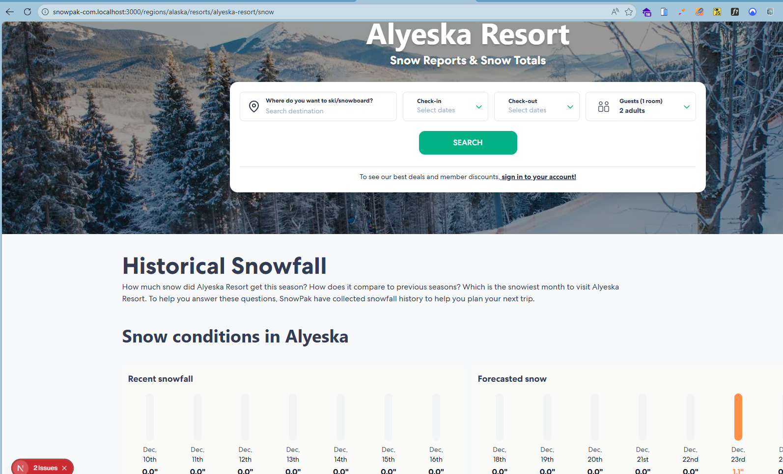
/alaska/alyeska-resort/snow | https://staging-snowpak-com.vercel.app/regions/alaska/resorts/alyeska-resort/snow
/alberta/banff/snow
/alberta/banff/lake-louise/snow
/alberta/banff/sunshine-village/snow
/alberta/calgary/snow
/alberta/castle-mountain/snow
/alberta/marmot-basin/snow
/argentina/buenos-aires/snow
/argentina/catedral-alta-patagonia/snow
/argentina/cerro-castor/snow
/argentina/cerro-chapelco/snow
/argentina/la-hoya/snow
/argentina/las-lenas/snow
/australia/falls-creek/snow
/austria/bad-gastein/snow
/austria/igls/snow
/austria/innsbruck/snow
/austria/ischgl/snow
/austria/kitzbuhel/snow
/austria/lech/snow
/austria/mayrhofen/snow
/austria/saalbach-hinterglemm/snow
/austria/salzburg/snow
/austria/solden/snow
/austria/st-anton/snow
/austria/st-christoph/snow
/austria/vienna/snow
/austria/zell-am-see-schmittenhohe/snow
/austria/zurs/snow
/british-columbia/apex-mountain-resort/snow
/british-columbia/big-white/snow
/british-columbia/fernie-alpine/snow
/british-columbia/grouse-mountain/snow
/british-columbia/kicking-horse/snow
/british-columbia/kimberly-alpine-resort/snow
/british-columbia/mount-seymour/snow
/british-columbia/mount-washington/snow
/british-columbia/panorama-mountain-resort/snow
/british-columbia/red-mountain-resort/snow
/british-columbia/revelstoke-mountain-resort/snow
/british-columbia/silver-star/snow
/british-columbia/sun-peaks/snow
/british-columbia/vancouver/snow
/british-columbia/whistler-blackcomb/snow
/british-columbia/whitewater/snow
/california/big-bear/snow
/california/june-mountain/snow
/california/kirkwood/snow
/california/mammoth-mountain/snow
/california/mt-baldy/snow
/california/mt-waterman/snow
/canada/banff-lake-louise/snow
/canada/blue-mountain-canada/snow
/canada/kelowna/snow
/canada/montreal/snow
/chile/andes/farellones/snow
/chile/andes/la-parva/snow
/chile/andes/valle-nevado/snow
/chile/nevados-de-chillan/snow
/chile/santiago/snow
/chile/ski-portillo/snow
/christchurch/broken-river/snow
/christchurch/craigieburn-valley/snow
/christchurch/mount-hutt/snow
/christchurch/mount-olympus/snow
/colorado/arapahoe-basin/snow
/colorado/aspen/aspen-highlands/snow
/colorado/aspen/aspen-mountain/snow
/colorado/aspen/buttermilk/snow
/colorado/aspen/snowmass/snow
/colorado/beaver-creek/snow
/colorado/breckenridge/snow
/colorado/copper-mountain/snow
/colorado/crested-butte/snow
/colorado/denver/snow
/colorado/echo-mountain/snow
/colorado/eldora/snow
/colorado/keystone/snow
/colorado/purgatory/snow
/colorado/steamboat/snow
/colorado/summit-county/snow
/colorado/telluride/snow
/colorado/vail/snow
/colorado/winter-park-resort/snow
/colorado/wolf-creek/snow
/epic-pass-resorts/null/snow
/france/alpe-d-huez/snow
/france/avoriaz/snow
/france/brides-les-bains/snow
/france/chamonix-mont-blanc/snow
/france/espace-killy/tignes/snow
/france/espace-killy/val-disere/snow
/france/les-2-alpes/snow
/france/les-arcs/snow
/france/les-carroz/snow
/france/les-gets/snow
/france/les-menuires/snow
/france/les-trois-vallees/snow
/france/megeve/snow
/france/paris/snow
/france/portes-du-soleil/morzine/snow
/france/three-valleys/courchevel/snow
/france/three-valleys/meribel/snow
/france/three-valleys/val-thorens/snow
/germany/garmisch/snow
/germany/munich/snow
/global/epic-pass-resorts/snow
/global/ikon-pass-resorts/snow
/hokkaido/asahidake-ropeway/snow
/hokkaido/furano/snow
/hokkaido/sahoro/snow
/hokkaido/tomamu/snow
/idaho/brundage-mountain/snow
/idaho/schweitzer-mountain-resort/snow
/idaho/silver-mountain/snow
/idaho/sun-valley/snow
/idaho/tamarack-resort/snow
/ikon-pass-resorts/sierra-at-tahoe/snow
/italy/alta-badia/snow
/italy/arabba-marmolada/snow
/italy/bormio/snow
/italy/cervinia/snow
/italy/champoluc/snow
/italy/cortina-d-ampezzo/snow
/italy/courmayeur/snow
/italy/dolomites-superski/snow
/italy/la-thuile/snow
/italy/livigno/snow
/italy/madesimo/snow
/italy/madonna-di-campiglio/snow
/italy/milan/snow
/italy/passo-tonale/snow
/italy/sauze-doulx/snow
/italy/three-peaks/snow
/italy/val-di-fassa/snow
/italy/val-gardena/snow
/italy/venice/snow
/japan/appi-kogen/snow
/japan/hakuba/snow
/japan/kiroro/snow
/japan/kyoto/snow
/japan/lotte-arai/snow
/japan/mt-t/snow
/japan/myoko/snow
/japan/niseko/snow
/japan/nozawa-onsen/snow
/japan/rusutsu/snow
/japan/sapporo/snow
/japan/tokyo/snow
/japan/zao-onsen/snow
/lake-tahoe/heavenly-mountain-resort/snow
/lake-tahoe/northstar-california/snow
/lake-tahoe/reno/snow
/lake-tahoe/squaw-valley-alpine-meadows/snow
/maine/camden-snow-bowl/snow
/maine/saddleback/snow
/maine/shawnee-peak/snow
/maine/sugarloaf/snow
/maine/sunday-river/snow
/massachusetts/blue-hills/snow
/michigan/boyne-highlands/snow
/michigan/boyne-mountain-resort/snow
/michigan/crystal-mountain/snow
/michigan/mount-bohemia/snow
/michigan/mt-brighton/snow
/michigan/nub-s-nob/snow
/michigan/ski-brule/snow
/minnesota/afton-alps/snow
/montana/big-sky-resort/snow
/montana/blacktail/snow
/montana/discovery/snow
/montana/great-divide-ski-area/snow
/montana/montana-snowbowl/snow
/montana/red-lodge-mountain/snow
/montana/whitefish-mountain-resort/snow
/nagano/madarao-kogen/snow
/nagano/shiga-kogen/snow
/new-hampshire/cranmore-mountain/snow
/new-hampshire/crotched-mountain/snow
/new-hampshire/gunstock-mountain-resort/snow
/new-hampshire/loon-mountain/snow
/new-hampshire/mount-sunapee/snow
/new-hampshire/wildcat-mountain-ski-resort/snow
/new-mexico/ski-santa-fe/snow
/new-mexico/taos-ski-valley/snow
/new-york/bristol-mountain/snow
/new-york/catamount/snow
/new-york/holiday-valley/snow
/new-york/hunter-mountain/snow
/new-york/whiteface-mountain-resort/snow
/new-zealand/turoa/snow
/new-zealand/wanaka/snow
/niigata/gala-yuzawa/snow
/niigata/naeba/snow
/ohio/alpine-valley-ohio/snow
/ohio/boston-mills/snow
/ohio/brandywine/snow
/ohio/mad-river-mountain/snow
/oregon/mount-bachelor/snow
/oregon/mount-hood/snow
/oregon/mount-hood-ski-bowl/snow
/oregon/timberline-lodge/snow
/oregon/willamette-pass/snow
/pennsylvania/bear-creek/snow
/pennsylvania/big-boulder/snow
/pennsylvania/blue-knob/snow
/pennsylvania/blue-mountain-pennsylvania/snow
/pennsylvania/boyce-park/snow
/pennsylvania/jack-frost/snow
/pennsylvania/laurel-mountain/snow
/pennsylvania/liberty/snow
/pennsylvania/roundtop-mountain-resort/snow
/pennsylvania/seven-springs-mountain-resort/snow
/pennsylvania/whitetail/snow
/quebec/camp-fortune/snow
/quebec/edelweiss-valley/snow
/quebec/le-massif-de-charlevoix/snow
/quebec/mont-blanc/snow
/quebec/mont-cascades/snow
/quebec/mont-orford/snow
/quebec/mont-sainte-anne/snow
/quebec/mont-sutton/snow
/quebec/mont-tremblant/snow
/quebec/morin-heights/snow
/quebec/owl-s-head/snow
/quebec/ski-bromont/snow
/quebec/ski-vorlage/snow
/quebec/sommet-saint-sauveur/snow
/quebec/stoneham/snow
/queenstown/coronet-peak/snow
/queenstown/queenstown/snow
/queenstown/remarkables/snow
/switzerland/arosa-lenzerheide/snow
/switzerland/crans-montana/snow
/switzerland/davos/snow
/switzerland/engelberg/snow
/switzerland/geneva/snow
/switzerland/grindelwald/snow
/switzerland/gstaad/snow
/switzerland/interlaken/snow
/switzerland/laax/snow
/switzerland/lucerne/snow
/switzerland/parsenn/snow
/switzerland/saas-fee/snow
/switzerland/skiarena-andermatt-sedrun/snow
/switzerland/st-moritz/snow
/switzerland/verbier/snow
/switzerland/wengen/snow
/switzerland/zermatt/snow
/switzerland/zurich/snow
/usa/lake-tahoe/snow
/utah/brighton-resort/snow
/utah/powder-mountain/snow
/utah/salt-lake-city/snow
/utah/salt-lake-city/alta/snow
/utah/salt-lake-city/deer-valley-resort/snow
/utah/salt-lake-city/park-city/snow
/utah/salt-lake-city/snowbird/snow
/utah/snowbasin/snow
/utah/solitude-mountain-resort/snow
/utah/sundance/snow
/vermont/jay-peak/snow
/vermont/killington-resort/snow
/vermont/mad-river-glen/snow
/vermont/mount-snow/snow
/vermont/okemo-mountain-resort/snow
/vermont/smugglers-notch-resort/snow
/vermont/stowe-mountain-resort/snow
/vermont/stratton-mountain/snow
/vermont/sugarbush/snow
/wanaka/cardrona/snow
/wanaka/treble-cone/snow
/washington/crystal-mountain-resort-wa/snow
/washington/mount-baker/snow
/washington/stevens-pass/snow
/washington/summit-at-snoqualmie/snow
/west-virginia/snowshoe-mountain/snow
/west-virginia/timberline-mountain/snow
/wisconsin/alpine-valley/snow
/wisconsin/christie-mountain/snow
/wisconsin/granite-peak/snow
/wisconsin/whitecap/snow
/wisconsin/wilmot/snow
/wyoming/grand-targhee-resort/snow
/wyoming/hogadon-basin/snow
/wyoming/jackson-hole/snow
/wyoming/pine-creek/snow
/wyoming/snow-king-resort/snow

Forecast
/alaska/alyeska-resort/forecast | https://staging-snowpak-com.vercel.app/regions/alaska/resorts/alyeska-resort/forecast
/alberta/banff/forecast
/alberta/banff/lake-louise/forecast
/alberta/banff/sunshine-village/forecast
/alberta/calgary/forecast
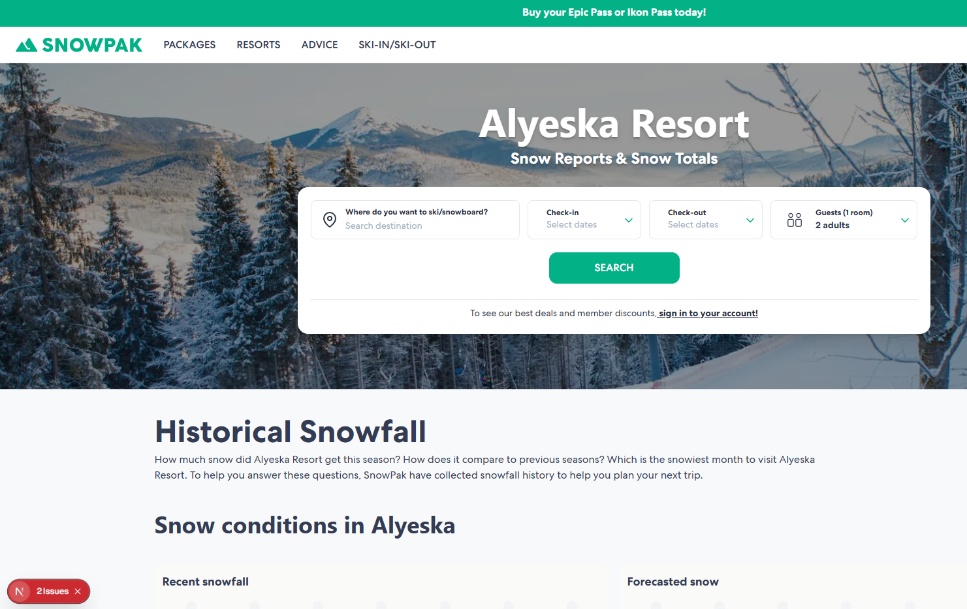
/alberta/castle-mountain/forecast
/alberta/marmot-basin/forecast
/argentina/buenos-aires/forecast
/argentina/catedral-alta-patagonia/forecast
/argentina/cerro-castor/forecast
/argentina/cerro-chapelco/forecast
/argentina/la-hoya/forecast
/argentina/las-lenas/forecast
/austria/bad-gastein/forecast
/austria/igls/forecast
/austria/innsbruck/forecast
/austria/ischgl/forecast
/austria/kitzbuhel/forecast
/austria/lech/forecast
/austria/mayrhofen/forecast
/austria/saalbach-hinterglemm/forecast
/austria/salzburg/forecast
/austria/solden/forecast
/austria/st-anton/forecast
/austria/st-christoph/forecast
/austria/vienna/forecast
/austria/zell-am-see-schmittenhohe/forecast
/austria/zurs/forecast
/british-columbia/apex-mountain-resort/forecast
/british-columbia/big-white/forecast
/british-columbia/fernie-alpine/forecast
/british-columbia/grouse-mountain/forecast
/british-columbia/kicking-horse/forecast
/british-columbia/kimberly-alpine-resort/forecast
/british-columbia/mount-seymour/forecast
/british-columbia/mount-washington/forecast
/british-columbia/panorama-mountain-resort/forecast
/british-columbia/red-mountain-resort/forecast
/british-columbia/revelstoke-mountain-resort/forecast
/british-columbia/silver-star/forecast
/british-columbia/sun-peaks/forecast
/british-columbia/vancouver/forecast
/british-columbia/whistler-blackcomb/forecast
/british-columbia/whitewater/forecast
/california/big-bear/forecast
/california/june-mountain/forecast
/california/kirkwood/forecast
/california/mammoth-mountain/forecast
/california/mt-baldy/forecast
/california/mt-waterman/forecast
/canada/banff-lake-louise/forecast
/canada/blue-mountain-canada/forecast
/canada/kelowna/forecast
/canada/montreal/forecast
/chile/andes/farellones/forecast
/chile/andes/la-parva/forecast
/chile/andes/valle-nevado/forecast
/chile/nevados-de-chillan/forecast
/chile/santiago/forecast
/chile/ski-portillo/forecast
/christchurch/broken-river/forecast
/christchurch/craigieburn-valley/forecast
/christchurch/mount-hutt/forecast
/christchurch/mount-olympus/forecast
/colorado/arapahoe-basin/forecast
/colorado/aspen/aspen-highlands/forecast
/colorado/aspen/aspen-mountain/forecast
/colorado/aspen/buttermilk/forecast
/colorado/aspen/snowmass/forecast
/colorado/beaver-creek/forecast
/colorado/breckenridge/forecast
/colorado/copper-mountain/forecast
/colorado/crested-butte/forecast
/colorado/denver/forecast
/colorado/echo-mountain/forecast
/colorado/eldora/forecast
/colorado/keystone/forecast
/colorado/purgatory/forecast
/colorado/steamboat/forecast
/colorado/summit-county/forecast
/colorado/telluride/forecast
/colorado/vail/forecast
/colorado/winter-park-resort/forecast
/colorado/wolf-creek/forecast
/epic-pass-resorts/null/forecast
/france/alpe-d-huez/forecast
/france/avoriaz/forecast
/france/brides-les-bains/forecast
/france/chamonix-mont-blanc/forecast
/france/espace-killy/tignes/forecast
/france/espace-killy/val-disere/forecast
/france/les-2-alpes/forecast
/france/les-arcs/forecast
/france/les-carroz/forecast
/france/les-gets/forecast
/france/les-menuires/forecast
/france/les-trois-vallees/forecast
/france/megeve/forecast
/france/paris/forecast
/france/portes-du-soleil/morzine/forecast
/france/three-valleys/courchevel/forecast
/france/three-valleys/meribel/forecast
/france/three-valleys/val-thorens/forecast
/germany/garmisch/forecast
/germany/munich/forecast
/global/epic-pass-resorts/forecast
/global/ikon-pass-resorts/forecast
/hokkaido/asahidake-ropeway/forecast
/hokkaido/furano/forecast
/hokkaido/sahoro/forecast
/hokkaido/tomamu/forecast
/idaho/brundage-mountain/forecast
/idaho/schweitzer-mountain-resort/forecast
/idaho/silver-mountain/forecast
/idaho/sun-valley/forecast
/idaho/tamarack-resort/forecast
/ikon-pass-resorts/sierra-at-tahoe/forecast
/italy/alta-badia/forecast
/italy/arabba-marmolada/forecast
/italy/bormio/forecast
/italy/cervinia/forecast
/italy/champoluc/forecast
/italy/cortina-d-ampezzo/forecast
/italy/courmayeur/forecast
/italy/dolomites-superski/forecast
/italy/la-thuile/forecast
/italy/livigno/forecast
/italy/madesimo/forecast
/italy/madonna-di-campiglio/forecast
/italy/milan/forecast
/italy/passo-tonale/forecast
/italy/sauze-doulx/forecast
/italy/three-peaks/forecast
/italy/val-di-fassa/forecast
/italy/val-gardena/forecast
/italy/venice/forecast
/japan/appi-kogen/forecast
/japan/hakuba/forecast
/japan/kiroro/forecast
/japan/kyoto/forecast
/japan/lotte-arai/forecast
/japan/mt-t/forecast
/japan/myoko/forecast
/japan/niseko/forecast
/japan/nozawa-onsen/forecast
/japan/rusutsu/forecast
/japan/sapporo/forecast
/japan/tokyo/forecast
/japan/zao-onsen/forecast
/lake-tahoe/heavenly-mountain-resort/forecast
/lake-tahoe/northstar-california/forecast
/lake-tahoe/reno/forecast
/lake-tahoe/squaw-valley-alpine-meadows/forecast
/maine/camden-snow-bowl/forecast
/maine/saddleback/forecast
/maine/shawnee-peak/forecast
/maine/sugarloaf/forecast
/maine/sunday-river/forecast
/michigan/boyne-highlands/forecast
/michigan/boyne-mountain-resort/forecast
/michigan/crystal-mountain/forecast
/michigan/mount-bohemia/forecast
/michigan/mt-brighton/forecast
/michigan/nub-s-nob/forecast
/michigan/ski-brule/forecast
/minnesota/afton-alps/forecast
/montana/big-sky-resort/forecast
/montana/blacktail/forecast
/montana/discovery/forecast
/montana/great-divide-ski-area/forecast
/montana/montana-snowbowl/forecast
/montana/red-lodge-mountain/forecast
/montana/whitefish-mountain-resort/forecast
/nagano/madarao-kogen/forecast
/nagano/shiga-kogen/forecast
/new-hampshire/cranmore-mountain/forecast
/new-hampshire/crotched-mountain/forecast
/new-hampshire/gunstock-mountain-resort/forecast
/new-hampshire/loon-mountain/forecast
/new-hampshire/mount-sunapee/forecast
/new-hampshire/wildcat-mountain-ski-resort/forecast
/new-mexico/ski-santa-fe/forecast
/new-mexico/taos-ski-valley/forecast
/new-york/bristol-mountain/forecast
/new-york/catamount/forecast
/new-york/holiday-valley/forecast
/new-york/hunter-mountain/forecast
/new-york/whiteface-mountain-resort/forecast
/new-zealand/turoa/forecast
/new-zealand/wanaka/forecast
/niigata/akakura-kanko/forecast
/niigata/akakura-onsen/forecast
/niigata/gala-yuzawa/forecast
/niigata/ikenotaira-onsen/forecast
/niigata/kagura/forecast
/niigata/naeba/forecast
/niigata/seki-onsen/forecast
/ohio/alpine-valley-ohio/forecast
/ohio/boston-mills/forecast
/ohio/brandywine/forecast
/ohio/mad-river-mountain/forecast
/oregon/mount-bachelor/forecast
/oregon/mount-hood/forecast
/oregon/mount-hood-ski-bowl/forecast
/oregon/timberline-lodge/forecast
/oregon/willamette-pass/forecast
/pennsylvania/bear-creek/forecast
/pennsylvania/big-boulder/forecast
/pennsylvania/blue-knob/forecast
/pennsylvania/blue-mountain-pennsylvania/forecast
/pennsylvania/boyce-park/forecast
/pennsylvania/jack-frost/forecast
/pennsylvania/laurel-mountain/forecast
/pennsylvania/liberty/forecast
/pennsylvania/roundtop-mountain-resort/forecast
/pennsylvania/seven-springs-mountain-resort/forecast
/pennsylvania/whitetail/forecast
/quebec/camp-fortune/forecast
/quebec/edelweiss-valley/forecast
/quebec/le-massif-de-charlevoix/forecast
/quebec/mont-blanc/forecast
/quebec/mont-cascades/forecast
/quebec/mont-orford/forecast
/quebec/mont-sainte-anne/forecast
/quebec/mont-sutton/forecast
/quebec/mont-tremblant/forecast
/quebec/morin-heights/forecast
/quebec/owl-s-head/forecast
/quebec/ski-bromont/forecast
/quebec/ski-vorlage/forecast
/quebec/sommet-saint-sauveur/forecast
/quebec/stoneham/forecast
/queenstown/coronet-peak/forecast
/queenstown/queenstown/forecast
/queenstown/remarkables/forecast
/switzerland/arosa-lenzerheide/forecast
/switzerland/crans-montana/forecast
/switzerland/davos/forecast
/switzerland/engelberg/forecast
/switzerland/geneva/forecast
/switzerland/grindelwald/forecast
/switzerland/gstaad/forecast
/switzerland/interlaken/forecast
/switzerland/laax/forecast
/switzerland/lucerne/forecast
/switzerland/parsenn/forecast
/switzerland/saas-fee/forecast
/switzerland/skiarena-andermatt-sedrun/forecast
/switzerland/st-moritz/forecast
/switzerland/verbier/forecast
/switzerland/wengen/forecast
/switzerland/zermatt/forecast
/switzerland/zurich/forecast
/usa/lake-tahoe/forecast
/utah/brighton-resort/forecast
/utah/powder-mountain/forecast
/utah/salt-lake-city/forecast
/utah/salt-lake-city/alta/forecast
/utah/salt-lake-city/deer-valley-resort/forecast
/utah/salt-lake-city/park-city/forecast
/utah/salt-lake-city/snowbird/forecast
/utah/snowbasin/forecast
/utah/solitude-mountain-resort/forecast
/utah/sundance/forecast
/vermont/jay-peak/forecast
/vermont/killington-resort/forecast
/vermont/mad-river-glen/forecast
/vermont/mount-snow/forecast
/vermont/okemo-mountain-resort/forecast
/vermont/smugglers-notch-resort/forecast
/vermont/stowe-mountain-resort/forecast
/vermont/stratton-mountain/forecast
/vermont/sugarbush/forecast
/wanaka/cardrona/forecast
/wanaka/treble-cone/forecast
/washington/crystal-mountain-resort-wa/forecast
/washington/mount-baker/forecast
/washington/stevens-pass/forecast
/washington/summit-at-snoqualmie/forecast
/west-virginia/snowshoe-mountain/forecast
/west-virginia/timberline-mountain/forecast
/wisconsin/alpine-valley/forecast
/wisconsin/christie-mountain/forecast
/wisconsin/granite-peak/forecast
/wisconsin/whitecap/forecast
/wisconsin/wilmot/forecast
/wyoming/grand-targhee-resort/forecast
/wyoming/hogadon-basin/forecast
/wyoming/jackson-hole/forecast
/wyoming/pine-creek/forecast
/wyoming/snow-king-resort/forecast

Ski and terrain
/british-columbia/big-white/ski-and-terrain | https://staging-snowpak-com.vercel.app/regions/british-columbia/resorts/big-white/ski-and-terrain
/british-columbia/whistler-blackcomb/ski-and-terrain
/colorado/arapahoe-basin/ski-and-terrain
/colorado/aspen/aspen-mountain/ski-and-terrain
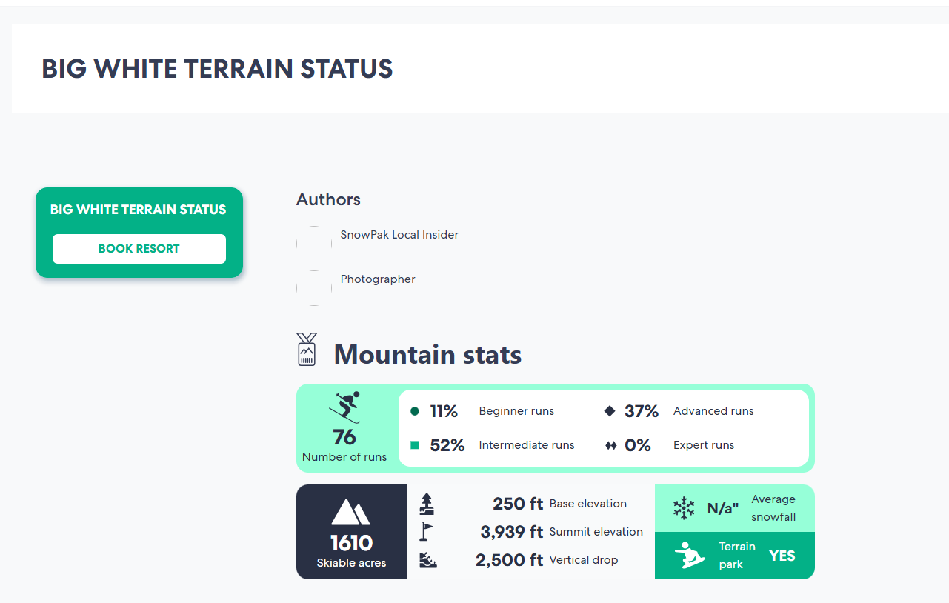
/colorado/aspen/buttermilk/ski-and-terrain
/colorado/breckenridge/ski-and-terrain
/colorado/copper-mountain/ski-and-terrain
/colorado/keystone/ski-and-terrain
/colorado/vail/ski-and-terrain
/colorado/winter-park-resort/ski-and-terrain
/japan/niseko/ski-and-terrain
/montana/big-sky-resort/ski-and-terrain
/utah/salt-lake-city/alta/ski-and-terrain
/utah/salt-lake-city/park-city/ski-and-terrain
/utah/salt-lake-city/snowbird/ski-and-terrain
/wyoming/jackson-hole/ski-and-terrain

Getting there
/british-columbia/big-white/getting-there | https://staging-snowpak-com.vercel.app/regions/british-columbia/resorts/big-white/getting-there
/british-columbia/red-mountain-resort/getting-there
/british-columbia/sun-peaks/getting-there
/british-columbia/whistler-blackcomb/getting-there
/colorado/arapahoe-basin/getting-there
/colorado/aspen/aspen-highlands/getting-there
/colorado/aspen/aspen-mountain/getting-there
/colorado/aspen/buttermilk/getting-there
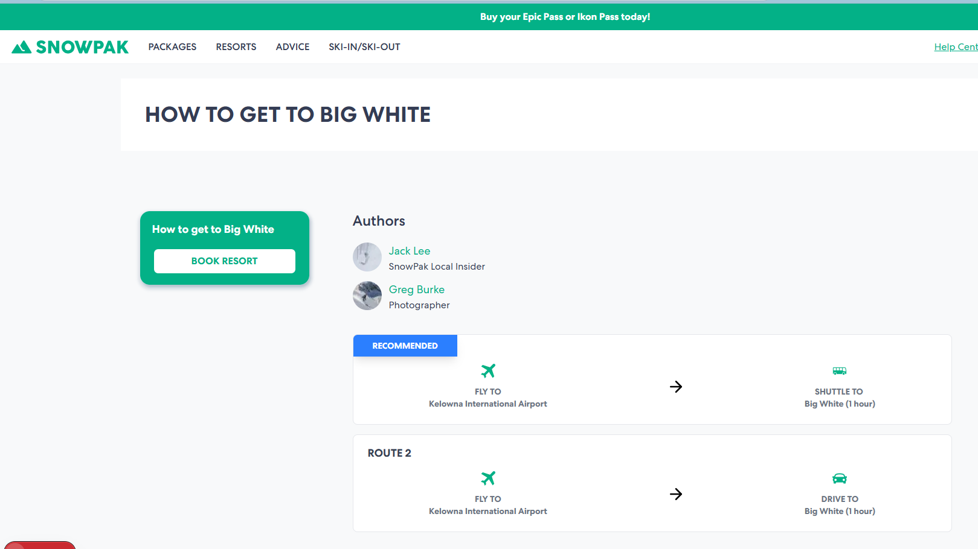
/colorado/breckenridge/getting-there
/colorado/copper-mountain/getting-there
/colorado/crested-butte/getting-there
/colorado/echo-mountain/getting-there
/colorado/keystone/getting-there
/colorado/steamboat/getting-there
/colorado/vail/getting-there
/colorado/winter-park-resort/getting-there
/japan/niseko/getting-there
/japan/nozawa-onsen/getting-there
/lake-tahoe/heavenly-mountain-resort/getting-there
/lake-tahoe/squaw-valley-alpine-meadows/getting-there
/niigata/kagura/getting-there
/utah/salt-lake-city/alta/getting-there
/utah/salt-lake-city/park-city/getting-there
/utah/salt-lake-city/snowbird/getting-there
/vermont/killington-resort/getting-there
/vermont/smugglers-notch-resort/getting-there
/wyoming/jackson-hole/getting-there

Food and Nightlife
/british-columbia/big-white/food-and-nightlife | https://staging-snowpak-com.vercel.app/regions/british-columbia/resorts/big-white/food-and-nightlife
/british-columbia/whistler-blackcomb/food-and-nightlife
/colorado/arapahoe-basin/food-and-nightlife
/colorado/aspen/aspen-mountain/food-and-nightlife
/colorado/aspen/buttermilk/food-and-nightlife
/colorado/breckenridge/food-and-nightlife
/colorado/copper-mountain/food-and-nightlife
/colorado/keystone/food-and-nightlife
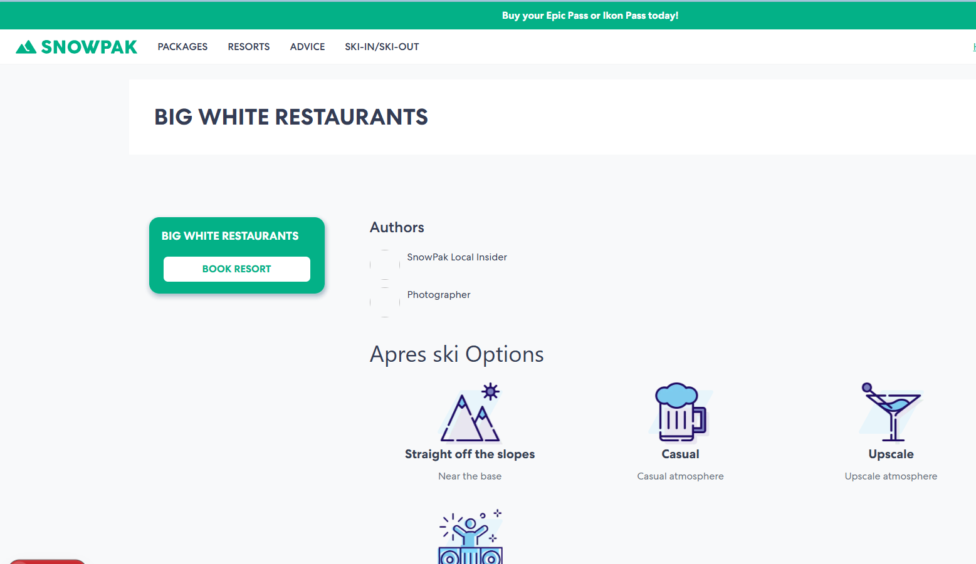
/colorado/vail/food-and-nightlife
/colorado/winter-park-resort/food-and-nightlife
/japan/niseko/food-and-nightlife
/montana/big-sky-resort/food-and-nightlife
/montana/whitefish-mountain-resort/food-and-nightlife
/utah/salt-lake-city/alta/food-and-nightlife
/utah/salt-lake-city/park-city/food-and-nightlife
/utah/salt-lake-city/snowbird/food-and-nightlife
/wyoming/jackson-hole/food-and-nightlife

Facilities and active
/alaska/alyeska-resort/facilities-and-activities | https://staging-snowpak-com.vercel.app/regions/alaska/resorts/alyeska-resort/facilities-and-activities
/british-columbia/big-white/facilities-and-activities
/british-columbia/whistler-blackcomb/facilities-and-activities
/california/mammoth-mountain/facilities-and-activities
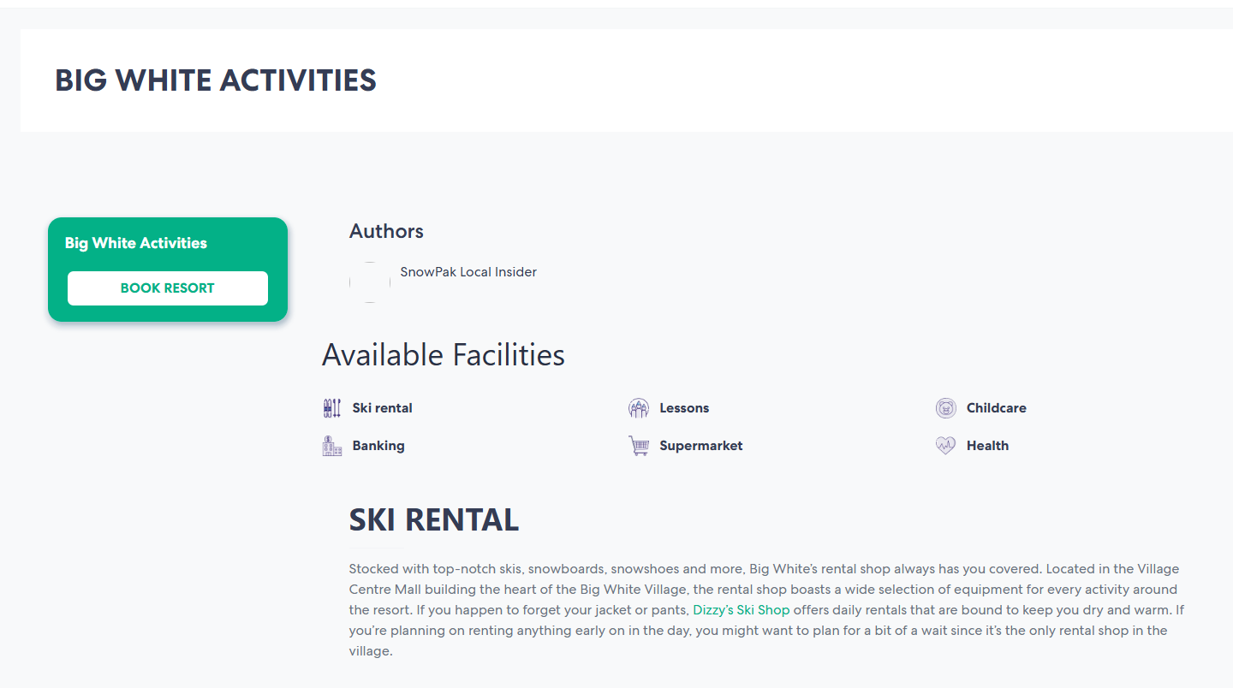
/colorado/arapahoe-basin/facilities-and-activities
/colorado/aspen/aspen-mountain/facilities-and-activities
/colorado/aspen/buttermilk/facilities-and-activities
/colorado/breckenridge/facilities-and-activities
/colorado/copper-mountain/facilities-and-activities
/colorado/keystone/facilities-and-activities
/colorado/vail/facilities-and-activities
/colorado/winter-park-resort/facilities-and-activities
/japan/niseko/facilities-and-activities
/lake-tahoe/squaw-valley-alpine-meadows/facilities-and-activities
/new-york/hunter-mountain/facilities-and-activities
/utah/salt-lake-city/alta/facilities-and-activities
/utah/salt-lake-city/park-city/facilities-and-activities
/utah/salt-lake-city/snowbird/facilities-and-activities
/vermont/killington-resort/facilities-and-activities
/wyoming/jackson-hole/facilities-and-activities

